1
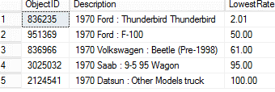
1

 | SELECT top 5 model.ObjectID,model.[Description],Sold.HighestRate
 |  | from Objects as model
 |  | ,(
 |  |  | SELECT ObjectID,max(WinBid) as HighestRate
 |  |  | from Summary
 |  |  |  | where Category like '%PassengerVehicle%'
 |  |  |  | and ReserveNotMet = 'N' -- (-,- -> +) (Did the bidder meet the reserve price for it tol sell)
 |  |  |  | and WinBid is not null
 |  |  |  | and RelistAuctionID is null -- if Relisted then Not sold
 |  |  |  | group by ObjectID

 |  |  | )
 |  |  | as Sold
 |  | where model.[Description] like '%1970%'
 |  | and model.ObjectID = Sold.ObjectID
 |  | order by Sold.HighestRate desc

 | SELECT top 5 model.ObjectID,model.[Description],Sold.LowestRate
 |  | from Objects as model
 |  | ,(
 |  |  | SELECT ObjectID,min(WinBid) as LowestRate
 |  |  | from Summary
 |  |  |  | where Category like '%PassengerVehicle%'
 |  |  |  | and ReserveNotMet = 'N' -- (-,- -> +) (Did the bidder meet the reserve price for it tol sell)
 |  |  |  | and WinBid is not null
 |  |  |  | and RelistAuctionID is null -- if Relisted then Not sold
 |  |  |  | group by ObjectID

 |  |  | )
 |  |  | as Sold
 |  | where model.[Description] like '%1970%'
 |  | and model.ObjectID = Sold.ObjectID
 |  | order by Sold.LowestRate asc

3
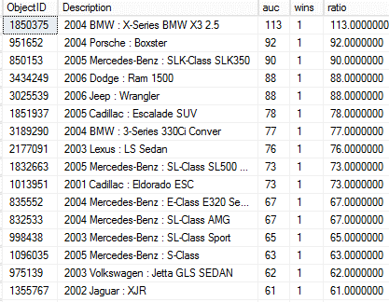
drop table CIS655_Shah_N.dbo.TotalAuction_T

SELECT [ObjectID],count([AuctionID]) as auc ---- DELETE THE TABLE BEFORE SUBMITTING
into CIS655_Shah_N.dbo.TotalAuction_T
FROM [dbo].[Summary]
group by [ObjectID]

drop table CIS655_Shah_N.dbo.TotalSold_T

 | SELECT [ObjectID],count([WinBid]) as wins ---- DELETE THE TABLE BEFORE SUBMITTING
 | into CIS655_Shah_N.dbo.TotalSold_T
 | from [Summary]
 |  |  | where ReserveNotMet = 'N' -- (-,- -> +) (Did the bidder meet the reserve price for it to sell)
 |  |  | and WinBid is not null
 |  |  | and RelistAuctionID is null -- if Relisted then Not sold
 | group by [ObjectID]
 | order by wins desc

 |  | SELECT
 |  |  | descr.[ObjectID],
 |  |  | descr.Description,
 |  |  | auc,
 |  |  | wins,
 |  |  | (cast(auc as decimal)/cast(wins as decimal(6,2))) as ratio
 |  |  |  | FROM

 |  |  |  |  | Objects as descr,
 |  |  |  |  | CIS655_Shah_N.dbo.TotalAuction_T as TotalAuction,
 |  |  |  |  | CIS655_Shah_N.dbo.TotalSold_T as TotalSold

 |  |  |  | where
 |  |  |  | TotalAuction.[ObjectID] = TotalSold.[ObjectID]
 |  |  |  | and TotalAuction.[ObjectID] = descr.[ObjectID]

 |  |  | order by ratio desc

5
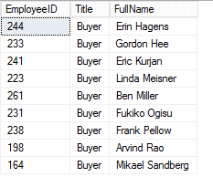
5
a | select EmployeeID,
 | emp.Title,
 | (pc.FirstName + ' ' + pc.LastName) as FullName
 | from HumanResources.Employee as emp,
 | Person.Contact as pc
 | where emp.Title like '%Buyer%'
 | and emp.ContactID = pc.ContactID
 | order by pc.LastName asc

b
 |  | select
 |  |  | ThirdLevel.EmployeeID,
 |  |  | FirstName+ ' ' + LastName as FullName,
 |  |  | ThirdLevel.Title,
 |  |  | CONVERT(VARCHAR(10),ThirdLevel.HireDate,110) as DateHired
 |  |  | from Person.Contact,
 |  |  |  | ---------------------------------------------------------------------
 |  |  |  | (
 |  |  |  |  | select ContactID,EmployeeID,Title,HireDate ---ThirdLevel
 |  |  |  |  | from HumanResources.Employee,
 |  |  |  |  | ----------------------------------------------
 |  |  |  |  | (
 |  |  |  |  |  | select ManagerID ---SecondLevel
 |  |  |  |  |  | from HumanResources.Employee,
 |  |  |  |  |  | --------------------------
 |  |  |  |  |  | (
 |  |  |  |  |  |  | select ContactID ---Firstlevel
 |  |  |  |  |  |  | from Person.Contact
 |  |  |  |  |  |  | where FirstName = 'Dan'
 |  |  |  |  |  |  | and LastName ='Wilson'
 |  |  |  |  |  | )
 |  |  |  |  |  | --------------------------
 |  |  |  |  |  | as Firstlevel
 |  |  |  |  |  | where HumanResources.Employee.ContactID = Firstlevel.ContactID

 |  |  |  |  | )
 |  |  |  |  | ----------------------------------
 |  |  |  |  | as SecondLevel
 |  |  |  |  | where EmployeeID = SecondLevel.ManagerID
 |  |  |  | )
 |  |  |  | as ThirdLevel
 |  |  |  | ---------------------------------------------------------------------
 |  |  | where ThirdLevel.ContactID = Person.Contact.ContactID

6
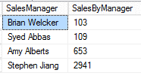
6 bonus | select FirstName + ' ' + LastName as Name,
 |  |  |  | emp2.Title,
 |  |  |  | emp2.countCust
 |  | from Person.Contact as pc,
 |  | -------------------------------------------------
 |  |  |  | (
 |  |  |  |  | select emp.EmployeeID,
 |  |  |  |  | emp.ContactID,
 |  |  |  |  |  |  | emp.Title,
 |  |  |  |  |  |  | sales.countCust
 |  |  |  |  | from HumanResources.Employee as emp,
 |  |  |  |  | -------------------------------------------------
 |  |  |  |  |  | (
 |  |  |  |  |  |  | select SalesPersonID,
 |  |  |  |  |  |  |  | COUNT(distinct CustomerID) as countCust
 |  |  |  |  |  |  | from Sales.SalesOrderHeader
 |  |  |  |  |  |  | group by SalesPersonID
 |  |  |  |  |  | )
 |  |  |  |  | -------------------------------------------------
 |  |  |  |  |  | as sales
 |  |  |  |  | where sales.SalesPersonID = emp.EmployeeID
 |  |  |  |  | and emp.Title like '%Sales Rep%'
 |  |  |  | )
 |  |  | -------------------------------------------------
 |  |  |  | as emp2
 | where emp2.ContactID = pc.ContactID
 | order by emp2.countCust desc

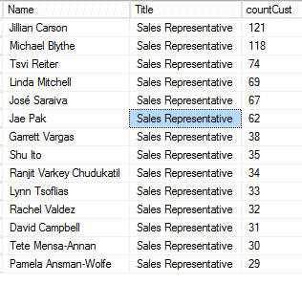

 | --*****************************6 bonus*****************************
 |  |  | 1st Query

 | drop table CIS655_Shah_N.DBO.TerritoryCust
 | drop table CIS655_Shah_N.DBO.TerritorySalesCust

 | select *
 | from Sales.SalesTerritory

 | -------------------------------------------------
 |  |  | select TerritoryID,min(countCust) as MinCust
 |  |  | into CIS655_Shah_N.DBO.TerritoryCust -- delete the Table before run
 |  |  |  |  | from
 |  |  |  |  | -------------------------------------------------
 |  |  |  |  |  |  |  | (
 |  |  |  |  |  |  |  |  | select TerritoryID,SalesPersonID,COUNT(CustomerID) as countCust
 |  |  |  |  |  |  |  |  | into CIS655_Shah_N.DBO.TerritorySalesCust -- delete the Table before run
 |  |  |  |  |  |  |  |  | from Sales.SalesOrderHeader
 |  |  |  |  |  |  |  |  | where TerritoryID is not null and
 |  |  |  |  |  |  |  |  |  | SalesPersonID is not null
 |  |  |  |  |  |  |  |  | group by TerritoryID,SalesPersonID
 |  |  |  |  |  |  |  | --order by TerritoryID,countCust asc
 |  |  |  |  |  |  |  | )
 |  |  |  |  | -------------------------------------------------
 |  |  |  |  |  |  |  | as Twise

 |  |  |  |  | group by TerritoryID

 |  |  | 2nd Query

 | select
 |  |  | --tc.TerritoryID,
 |  |  | st.Name as TtyName,
 |  |  |  |  | --SalesPersonID,
 |  |  |  |  | --emp.ContactID as ContactID,
 |  |  |  |  | pc.FirstName,
 |  |  |  |  |  | MinCust

 |  |  |  | from CIS655_Shah_N.DBO.TerritorySalesCust as tsc,
 |  |  |  |  | CIS655_Shah_N.DBO.TerritoryCust as tc,

 |  |  |  |  | Sales.SalesTerritory as st,

 |  |  |  |  | HumanResources.Employee as emp,
 |  |  |  |  | Person.Contact as pc

 |  |  |  |  |  |  | where tsc.TerritoryID = tc.TerritoryID
 |  |  |  |  |  |  | and tc.MinCust = tsc.countCust

 |  |  |  |  |  |  | and st.TerritoryID = tc.TerritoryID

 |  |  |  |  |  |  | and emp.EmployeeID = tsc.SalesPersonID
 |  |  |  |  |  |  | and pc.ContactID = emp.ContactID
 |  |  |  |  |  |  |  |  | order by MinCust asc

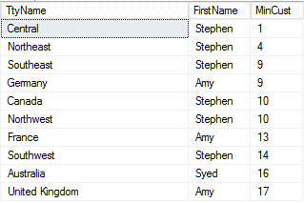

 |  |  |  | Stephen under Central has the least customers

6 double bonus | ------------- 6 double bonus -------

 | begin

 |  | select
 |  |  |  | (pc.FirstName + ' ' + pc.LastName) as SalesManager,
 |  |  |  | ManCount.SalesByManager
 |  | from HumanResources.Employee as emp2,
 |  |  | Person.Contact as pc,
 |  |  | ----------------------------
 |  |  | (

 |  |  |  | select ManEmpCount.ManagerID as ManagerID,
 |  |  |  |  |  | sum(countOrder1) as SalesByManager
 |  |  |  | from
 |  |  |  | ----------------------------------
 |  |  |  |  |  | (
 |  |  |  |  |  |  | select emp.ManagerID,
 |  |  |  |  |  |  |  |  | emp.EmployeeID,
 |  |  |  |  |  |  |  |  | Orders.countOrder as countOrder1
 |  |  |  |  |  |  | from
 |  |  |  |  |  |  |  |  | HumanResources.Employee as emp,
 |  |  |  |  |  |  |  |  | ---------------------------------------------
 |  |  |  |  |  |  |  |  | (

 |  |  |  |  |  |  |  |  | select SalesPersonID,
 |  |  |  |  |  |  |  |  |  |  | COUNT(SalesOrderID) as countOrder
 |  |  |  |  |  |  |  |  |  |  | #NAME?
 |  |  |  |  |  |  |  |  |  |  | from Sales.SalesOrderHeader
 |  |  |  |  |  |  |  |  |  |  | where SalesPersonID is not null
 |  |  |  |  |  |  |  |  |  |  | group by SalesPersonID
 |  |  |  |  |  |  |  |  | --end;
 |  |  |  |  |  |  |  |  | )
 |  |  |  |  |  |  |  |  | -----------------------------------------------
 |  |  |  |  |  |  |  |  | as Orders
 |  |  |  |  |  |  | where
 |  |  |  |  |  |  | emp.EmployeeID = Orders.SalesPersonID
 |  |  |  |  |  | )
 |  |  |  |  |  | ----------------------------------------------------
 |  |  |  |  |  | as ManEmpCount

 |  |  |  |  | group by ManEmpCount.ManagerID
 |  |  |  | )
 |  |  |  | ----------------------------------------------------
 |  |  |  | as ManCount
 |  | where
 |  | ManCount.ManagerID = emp2.EmployeeID
 |  | and emp2.ContactID = pc.ContactID
 |  | order by ManCount.SalesByManager asc

7
7 | SELECT top 10 costing.ProductID,costing.Name,
 |  |  | costing.StandardCost as UnitCost,selling.avgSoldPrice,
 |  |  | selling.soldQty,
 |  |  | (costing.StandardCost*selling.soldQty) as costValue,selling.sellValue
 |  |  | ,((selling.sellValue-(costing.StandardCost*selling.soldQty))/((costing.StandardCost*selling.soldQty)))*100 as 'Profit%'
 |  | from Production.Product as costing,
 |  |  | -------------------------------------
 |  |  | (

 |  |  |  |  | select ProductID,
 |  |  |  |  | (sum(LineTotal)/sum(OrderQty)) as avgSoldPrice,
 |  |  |  |  | sum(OrderQty) as soldQty,
 |  |  |  |  | sum(LineTotal) as sellValue
 |  |  |  |  |  | from Sales.SalesOrderDetail
 |  |  |  |  |  | group by ProductID
 |  |  | )
 |  |  | -------------------------------------
 |  |  | as selling

 |  | where
 |  |  | selling.ProductID = costing.ProductID
 |  |  |  | order by 'Profit%' desc

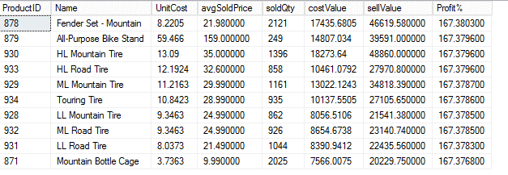

 | SELECT top 10 costing.ProductID,costing.Name,
 |  |  | costing.StandardCost as UnitCost,selling.avgSoldPrice,
 |  |  | selling.soldQty,
 |  |  | (costing.StandardCost*selling.soldQty) as costValue,selling.sellValue
 |  |  | ,((selling.sellValue-(costing.StandardCost*selling.soldQty))/((costing.StandardCost*selling.soldQty)))*100 as 'Profit%'
 |  | from Production.Product as costing,
 |  |  | -------------------------------------
 |  |  | (

 |  |  |  |  | select ProductID,
 |  |  |  |  | (sum(LineTotal)/sum(OrderQty)) as avgSoldPrice,
 |  |  |  |  | sum(OrderQty) as soldQty,
 |  |  |  |  | sum(LineTotal) as sellValue
 |  |  |  |  |  | from Sales.SalesOrderDetail
 |  |  |  |  |  | group by ProductID
 |  |  | )
 |  |  | -------------------------------------
 |  |  | as selling

 |  | where
 |  |  | selling.ProductID = costing.ProductID
 |  |  |  | order by 'Profit%' asc

 | The following products could be dropped because of the negative Profits

 | As you can see , the jersey could have a problem with Sizes across different brands when bought online which I have perosnally witnessed
 | It encourages customers to buy items at a cheaper rate for that brand and its difficult to change their habits to buy at higher or profitable prices

